Revenue
The Home Depot, Inc. | ACTUAL |  |  |  |  |  | FORECAST
(in millions) | 2-Feb-20 | 31-Jan-21 | 30-Jan-22 | 29-Jan-23 | 28-Jan-24 | 2-Feb-25 | 31-Jan-26 | 31-Jan-27 | 31-Jan-28 | 31-Jan-29 | 31-Jan-30

FINAL REVENUE FORECAST (average of 4 methods)

Net sales | 110,225 | 132,110 | 151,157 | 157,403 | 152,669 | 159,514 | 171,607 | 184,622 | 198,632 | 213,712 | 229,944

FORECAST METHOD 1--BASED ON REVENUE GROWTH

Net sales from income statement: | 110,225 | 132,110 | 151,157 | 157,403 | 152,669 | 159,514 | 172,275 | 186,057 | 200,942 | 217,017 | 234,378

Sales Growth: |  | 19.9% | 14.4% | 4.1% | -3.0% | 4.5% | 8.0% | 8.0% | 8.0% | 8.0% | 8.0%

FORECAST METHOD 2--BASED ON REVENUE GROWTH BY PRODUCT TYPE

Sales by product type:
Building materials | 39,337 | 46,521 | 54,990 | 54,572 | 52,661 | 52,756 | 56,175 | 59,815 | 63,691 | 67,818 | 72,212
Décor | 37,386 | 43,415 | 50,437 | 54,442 | 51,945 | 51,790 | 55,452 | 59,372 | 63,570 | 68,064 | 72,876
Hardlines | 33,502 | 42,174 | 45,730 | 48,389 | 48,063 | 48,562 | 52,496 | 56,748 | 61,344 | 66,313 | 71,684
Other |  |  |  |  |  | 6,406 | 6,918 | 7,472 | 8,070 | 8,715 | 9,413
 | 110,225 | 132,110 | 151,157 | 157,403 | 152,669 | 159,514 | 171,040 | 183,406 | 196,674 | 210,910 | 226,185

Sales Growth:
Building materials |  | 18.26% | 18.20% | -0.76% | -3.50% | 0.18% | 6.48% | 6.48% | 6.48% | 6.48% | 6.48%
Décor |  | 16.13% | 16.17% | 7.94% | -4.59% | -0.30% | 7.07% | 7.07% | 7.07% | 7.07% | 7.07%
Hardlines |  | 25.89% | 8.43% | 5.81% | -0.67% | 1.04% | 8.10% | 8.10% | 8.10% | 8.10% | 8.10%
Other |  |  |  |  |  | 0.00% | 8.00% | 8.00% | 8.00% | 8.00% | 8.00%
Building materials--lumber, electrical, lighting, plumbing, millwork
Decor--appliances, decor, storage, flooring, litchen, bath, paint
Hardlines--hardward, tools, indoor garden, outdoor garden

FORECAST METHOD 3--INCORPORATING STORE DATA AND GEOGRAPHIC SEGMENTS

Sales by geographic segment:
US | 101,333 | 122,158 | 138,920 | 144,840 | 140,083 | 147,007 | 158,828 | 171,600 | 185,398 | 200,306 | 216,413
Outside the US | 8,892 | 9,952 | 12,237 | 12,563 | 12,586 | 12,507 | 13,438 | 14,438 | 15,512 | 16,666 | 17,907
Total | 110,225 | 132,110 | 151,157 | 157,403 | 152,669 | 159,514 | 172,266 | 186,037 | 200,910 | 216,973 | 234,320

Number of stores:
US | 1,984 | 1,987 | 2,006 | 2,007 | 2,015 | 2,025 | 2,033 | 2,042 | 2,050 | 2,058 | 2,067

Canada | 182 | 182 | 182 | 182 | 182 | 182 | 182 | 182 | 182 | 182 | 182
Mexico | 125 | 127 | 129 | 133 | 138 | 140 | 143 | 146 | 149 | 153 | 156
Total outside US | 307 | 309 | 311 | 315 | 320 | 322 | 325 | 328 | 331 | 335 | 338

Total stores | 2,291 | 2,296 | 2,317 | 2,322 | 2,335 | 2,347 | 2,358 | 2,370 | 2,381 | 2,393 | 2,405

Sales per store
US | 51.08 | 61.48 | 69.25 | 72.17 | 69.52 | 72.60 | 78.11 | 84.05 | 90.44 | 97.31 | 104.71
Outside the US | 28.96 | 32.21 | 39.35 | 39.88 | 39.33 | 38.84 | 41.34 | 43.99 | 46.81 | 49.82 | 53.02

Growth:
Number of stores:
US |  | 0.15% | 0.96% | 0.05% | 0.40% | 0.50% | 0.41% | 0.41% | 0.41% | 0.41% | 0.41%
Outside the US |  | 0.65% | 0.65% | 1.29% | 1.59% | 0.63% | 0.96% | 0.96% | 0.96% | 0.96% | 0.96%

Sales per store
US |  | 20.37% | 12.64% | 4.21% | -3.67% | 4.42% | 7.60% | 7.60% | 7.60% | 7.60% | 7.60%
Outside the US |  | 11.20% | 22.17% | 1.36% | -1.38% | -1.24% | 6.42% | 6.42% | 6.42% | 6.42% | 6.42%

FORECAST METHOD 4--INCORPORATING SQUARE FOOTAGE DATA

Sales by product line:
Building materials | 39,337 | 46,521 | 54,990 | 54,572 | 52,661 | 52,756 | 56,132 | 59,723 | 63,545 | 67,611 | 71,937
Décor | 37,386 | 43,415 | 50,437 | 54,442 | 51,945 | 51,790 | 55,404 | 59,270 | 63,405 | 67,829 | 72,562
Hardlines | 33,502 | 42,174 | 45,730 | 48,389 | 48,063 | 48,562 | 52,447 | 56,644 | 61,176 | 66,070 | 71,356
Other | 0 | 0 | 0 | 0 | 0 | 6,406 | 6,862 | 7,351 | 7,875 | 8,435 | 9,036
Total | 110,225 | 132,110 | 151,157 | 157,403 | 152,669 | 159,514 | 170,845 | 182,988 | 196,000 | 209,946 | 224,892

Square feet (millions):
Stores | 238.1 | 238.6 | 240.5 | 240.9 | 242.3 | 243.5 | 244.2 | 244.9 | 245.6 | 246.3 | 247.0
Warehouses, distribution and offices | 64.4 | 81.0 | 93.8 | 108.3 | 116.3 | 113.0 | 124 | 136 | 148 | 161 | 174
 | 302.5 | 319.6 | 334.3 | 349.2 | 358.6 | 356.5 | 368 | 381 | 394 | 407 | 421

Sales per square foot
Building materials | 130.04 | 145.56 | 164.49 | 156.28 | 146.85 | 147.98 | 152.33 | 156.81 | 161.42 | 166.17 | 171.05
Décor | 123.59 | 135.84 | 150.87 | 155.90 | 144.85 | 145.27 | 150.36 | 155.62 | 161.07 | 166.70 | 172.54
Hardlines | 110.75 | 131.96 | 136.79 | 138.57 | 134.03 | 136.22 | 142.34 | 148.73 | 155.40 | 162.38 | 169.67
Other | 0.00 | 0.00 | 0.00 | 0.00 | 0.00 | 17.97 | 18.62 | 19.30 | 20.00 | 20.73 | 21.49
Total | 364.38 | 413.36 | 452.16 | 450.75 | 425.74 | 447.44 | 463.65 | 480.46 | 497.90 | 515.99 | 534.75

Growth:
Square footage |  | 5.65% | 4.60% | 4.46% | 2.69% | -0.59% | 3.36% | 3.36% | 3.36% | 3.36% | 3.36%

Sales per square foot
Building materials |  | 11.94% | 13.01% | -4.99% | -6.03% | 0.77% | 2.94% | 2.94% | 2.94% | 2.94% | 2.94%
Décor |  | 9.91% | 11.07% | 3.33% | -7.09% | 0.29% | 3.50% | 3.50% | 3.50% | 3.50% | 3.50%
Hardlines |  | 19.15% | 3.66% | 1.30% | -3.28% | 1.63% | 4.49% | 4.49% | 4.49% | 4.49% | 4.49%
Other |  | 0.00% | 0.00% | 0.00% | 0.00% | 0.00% | 3.64% | 3.64% | 3.64% | 3.64% | 3.64%
Total |  | 41.00% | 27.74% | -0.36% | -16.40% | 2.69% | 14.57% | 14.57% | 14.57% | 14.57% | 14.57%

Long Term Asset & Liab
The Home Depot, Inc. | ACTUAL |  |  |  |  |  | FORECAST
(in millions) | 2-Feb-20 | 31-Jan-21 | 30-Jan-22 | 29-Jan-23 | 28-Jan-24 | 2-Feb-25 | 31-Jan-26 | 31-Jan-27 | 31-Jan-28 | 31-Jan-29 | 31-Jan-30

Property, plant and equipment (PP&E), net
Land | 8,390 | 8,543 | 8,617 | 8,719 | 9,027 | 9,060
Buildings | 18,432 | 18,838 | 19,173 | 19,430 | 20,030 | 20,260
Furniture, fixtures, and equipment | 13,666 | 15,119 | 16,441 | 16,564 | 16,667 | 18,474
Leasehold improvements | 1,789 | 1,925 | 2,016 | 2,130 | 2,254 | 2,423
Construction in progress | 1,005 | 1,068 | 1,139 | 1,297 | 1,192 | 1,521
Finance leases | 1,578 | 3,308 | 3,943 | 4,135 | 4,087 | 4,045
Gross PP&E | 44,860 | 48,801 | 51,329 | 52,275 | 53,257 | 55,783 | 59,376 | 63,242 | 67,402 | 71,879 | 76,698

Accumulated depreciation | 22,090 | 24,096 | 26,130 | 26,644 | 27,103 | 29,081 | 32,180 | 35,479 | 38,992 | 42,737 | 46,730

Net PP&E | 22,770 | 24,705 | 25,199 | 25,631 | 26,154 | 26,702 | 27,196 | 27,764 | 28,410 | 29,142 | 29,968

Beginning Balance |  | 22,770 | 24,705 | 25,199 | 25,631 | 26,154 | 26,702 | 27,196 | 27,764 | 28,410 | 29,142
Additions--capital expenditures |  | 2,463 | 2,566 | 3,119 | 3,226 | 3,485 | 3,599 | 3,872 | 4,166 | 4,483 | 4,825
Additions--mergers & acquisitions
Additions--new finance leases |  | 1,730 | 672 | 322 | 336 | 153 | 0 | 0 | 0 | 0 | 0
Impairments |  | 0 | 0 | 0 | 0 | 0 | 0 | 0 | 0 | 0 | 0
Disposals |  | 0 | 0 | 0 | 0 | 0 | (6) | (6) | (6) | (6) | (6)
Depreciation |  | (2,425) | (2,650) | (2,796) | (3,061) | (3,336) | (3,099) | (3,299) | (3,513) | (3,745) | (3,993)
Unknown |  | 167 | (94) | (213) | 22 | 246
Ending Balance |  | 24,705 | 25,199 | 25,631 | 26,154 | 26,702 | 27,196 | 27,764 | 28,410 | 29,142 | 29,968

SALE/DISPOSAL OF PP&E
Cash received | 37 | 0 | 0 | 0 | 0 | 0 | 6 | 6 | 6 | 6 | 6
Net PP&E | 37 | 0 | 0 | 0 | 0 | 0 | 6 | 6 | 6 | 6 | 6
Gain (loss) | 0 | 0 | 0 | 0 | 0 | 0 | 0 | 0 | 0 | 0 | 0

Average Cash |  |  |  |  |  | 6
Average Gain |  |  |  |  |  | 0

FORECAST DEPRECIATION EXPENSE

Average Useful Life |  | 19 | 19 | 19 | 17 | 16 | 18 | 18 | 18 | 18 | 18
5 year average |  |  |  |  |  | 18

Depreciation on income statement |  | 2,128 | 2,386 | 2,455 | 2,673 | 3,034 | 2,758 | 2,936 | 3,127 | 3,333 | 3,554
Total depreciation expense |  | 2,425 | 2,650 | 2,796 | 3,061 | 3,336 | 3,099 | 3,299 | 3,513 | 3,745 | 3,993
Ratio |  | 0.88 | 0.90 | 0.88 | 0.87 | 0.91 | 0.89 | 0.89 | 0.89 | 0.89 | 0.89

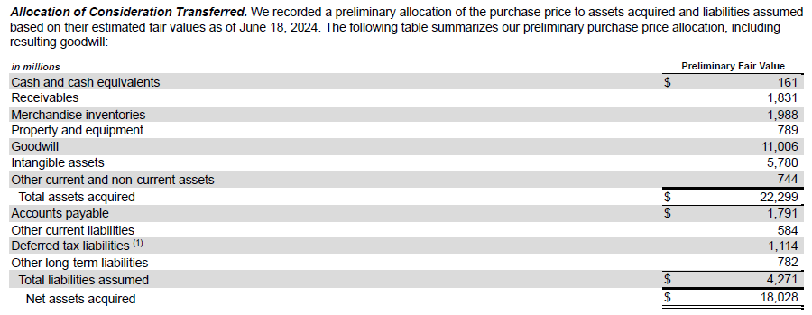

FORECAST CAPITAL EXPENDITURES METHOD 1--LINK TO COMPANY OWNED STORES

Capital expenditures |  | 2,463 | 2,566 | 3,119 | 3,226 | 3,485 | 3,807 | 4,159 | 4,543 | 4,963 | 5,421

Number of company operated stores: |  | 2,296 | 2,317 | 2,322 | 2,335 | 2,347 | 2,358 | 2,370 | 2,381 | 2,393 | 2,405

Capital expenditures per company store
Average |  | 1.07 | 1.11 | 1.34 | 1.38 | 1.48 | 1.61 | 1.75 | 1.91 | 2.07 | 2.25
% change |  |  | 3% | 21% | 3% | 7% | 8.71% | 8.71% | 8.71% | 8.71% | 8.71%

FORECAST CAPITAL EXPENDITURES METHOD 2--AS A % REVENUE

Capital expenditures |  | 2,463 | 2,566 | 3,119 | 3,226 | 3,485 | 3,381 | 3,637 | 3,913 | 4,210 | 4,530

Revenue |  | 132,110 | 151,157 | 157,403 | 152,669 | 159,514 | 171,607 | 184,622 | 198,632 | 213,712 | 229,944

Capital expenditures divided by revenue |  | 1.86% | 1.70% | 1.98% | 2.11% | 2.18% | 1.97% | 1.97% | 1.97% | 1.97% | 1.97%
Average |  |  |  |  |  | 1.97%

FORECAST CAPITAL EXPENDITURES METHOD 3--FORECAST THE NET PP&E REQUIRED FOR EACH STORE

Gross PP&E | 44,860 | 48,801 | 51,329 | 52,275 | 53,257 | 55,783 | 59,387 | 63,202 | 67,238 | 71,508 | 76,025
Accumulated depreciation | 22,090 | 24,096 | 26,130 | 26,644 | 27,103 | 29,081 | 32,180 | 35,479 | 38,991 | 42,726 | 46,699
Net PP&E | 22,770 | 24,705 | 25,199 | 25,631 | 26,154 | 26,702 | 27,207 | 27,722 | 28,247 | 28,782 | 29,327

Beginning Balance |  | 22,770 | 24,705 | 25,199 | 25,631 | 26,154 | 26,702 | 27,207 | 27,722 | 28,247 | 28,782
PP&E acquired through acquisitions |  | 0 | 0 | 0 | 0 | 0
New finance leases |  | 1,730 | 672 | 322 | 336 | 153 | 0 | 0 | 0 | 0 | 0
Impairments |  | 0 | 0 | 0 | 0 | 0 | 0 | 0 | 0 | 0 | 0
Disposals |  | 0 | 0 | 0 | 0 | 0 | (6) | (6) | (6) | (6) | (6)
Depreciation |  | (2,425) | (2,650) | (2,796) | (3,061) | (3,336) | (3,099) | (3,299) | (3,511) | (3,735) | (3,973)
Unknown |  | 167 | (94) | (213) | 22 | 246
PP&E before capital expenditures |  | 22,242 | 22,633 | 22,512 | 22,928 | 23,217 | 23,597 | 23,902 | 24,205 | 24,506 | 24,803
Capital Expenditures |  | 2,463 | 2,566 | 3,119 | 3,226 | 3,485 | 3,610 | 3,820 | 4,042 | 4,276 | 4,524
Ending Balance |  | 24,705 | 25,199 | 25,631 | 26,154 | 26,702 | 27,207 | 27,722 | 28,247 | 28,782 | 29,327

Company owned stores |  | 2,296 | 2,317 | 2,322 | 2,335 | 2,347 | 2,358 | 2,370 | 2,381 | 2,393 | 2,405

Net PP&E per store |  | 10.76 | 10.88 | 11.04 | 11.20 | 11.38 | 11.54 | 11.70 | 11.86 | 12.03 | 12.20
% growth |  |  | 1.1% | 1.5% | 1.5% | 1.6% | 1.4% | 1.4% | 1.4% | 1.4% | 1.4%

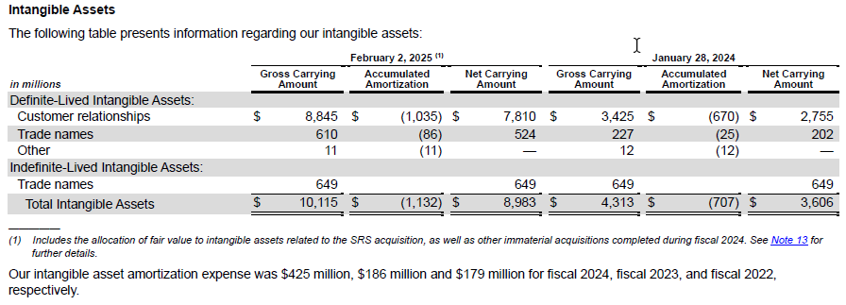

Intangible Assets
Beginning balance |  | 337 | 3,612 | 3,503 | 3,323 | 3,606 | 8,983 | 8,430 | 7,877 | 7,332 | 6,804
Additions |  | 3,300 | 65 |  | 469 | 5,780 | 0 | 0 | 0 | 0 | 0
Divestitures
Amortization--definite lived only |  | (25) | (174) | (179) | (186) | (425) | (553) | (553) | (545) | (528) | (486)
Impairment and other |  |  |  | (1) |  | 22
Ending balance |  | 3,612 | 3,503 | 3,323 | 3,606 | 8,983 | 8,430 | 7,877 | 7,332 | 6,804 | 6,318

Goodwill
Beginning balance | 2,252 | 2,254 | 7,126 | 7,449 | 7,444 | 8,455 | 19,475 | 19,475 | 19,475 | 19,475 | 19,475
Acquisitions | 0 | 4,870 | 323 |  | 998 | 11,048
Dispositions | 0
Other | 2 | 2 |  | (5) | 13 | (28)
Ending balance | 2,254 | 7,126 | 7,449 | 7,444 | 8,455 | 19,475 | 19,475 | 19,475 | 19,475 | 19,475 | 19,475

Disclosed Amortization Expense

Other Assets | 807 | 699 | 702 | 635 | 656 | 684 | 772 | 831 | 894 | 962 | 1,035
Percentage of Revenue | 0.73% | 0.53% | 0.46% | 0.40% | 0.43% | 0.43% | 0.45% | 0.45% | 0.45% | 0.45% | 0.45%
5 year average |  |  |  |  |  | 0.45%

Other long-term obligations | 1,535 | 1,807 | 2,013 | 2,566 | 2,783 | 2,738 | 2,694 | 2,899 | 3,119 | 3,355 | 3,610
Percentage of Revenue | 1.39% | 1.37% | 1.33% | 1.63% | 1.82% | 1.72% | 1.57% | 1.57% | 1.57% | 1.57% | 1.57%
5 year average |  |  |  |  |  | 1.57%

Deferred tax liability | 706 | 1,131 | 909 | 1,019 | 863 | 1,962 | 1576 | 1576 | 1579 | 1585 | 1595

Underlying Assets/Liabilities
PP&E | 22,770 | 24,705 | 25,199 | 25,631 | 26,154 | 26,702 | 27,196 | 27,764 | 28,410 | 29,142 | 29,968
Goodwill | 2,254 | 7,126 | 7,449 | 7,444 | 8,455 | 19,475 | 19,475 | 19,475 | 19,475 | 19,475 | 19,475
Intangible Assets | 0 | 3,612 | 3,503 | 3,323 | 3,606 | 8,983 | 8,430 | 7,877 | 7,332 | 6,804 | 6,318
Total | 25,024 | 35,443 | 36,151 | 36,398 | 38,215 | 55,160 | 55,101 | 55,116 | 55,217 | 55,421 | 55,761

Percentage of underlying | 2.82% | 3.19% | 2.51% | 2.80% | 2.26% | 3.56% | 2.86% | 2.86% | 2.86% | 2.86% | 2.86%
5 year average |  |  |  |  |  | 2.86%

Financing
The Home Depot, Inc. | ACTUAL |  |  |  |  |  | FORECAST
(in millions) | 2-Feb-20 | 31-Jan-21 | 30-Jan-22 | 29-Jan-23 | 28-Jan-24 | 2-Feb-25 | 31-Jan-26 | 31-Jan-27 | 31-Jan-28 | 31-Jan-29 | 31-Jan-30

Current maturities long-term debt--actual | 1,839 | 1,416 | 2,447 | 1,231 | 1,368 | 4,582

Beginning Balance |  | 1,839 | 1,416 | 2,447 | 1,231 | 1,368 | 4,582 | 4,845 | 3,769 | 2,727 | 3,946
Payments |  | (1,839) | (1,416) | (2,447) | (1,231) | (1,368) | (4,582) | (4,845) | (3,769) | (2,727) | (3,946)
Transfer from Long-term |  | 1,416 | 2,447 | 1,231 | 1,368 | 4,582 | 4,845 | 3,769 | 2,727 | 3,946 | 3,946
Ending Balance | 1,839 | 1,416 | 2,447 | 1,231 | 1,368 | 4,582 | 4,845 | 3,769 | 2,727 | 3,946 | 3,946

Long-term debt--balance sheet--actual | 28,670 | 35,822 | 36,604 | 41,962 | 42,743 | 48,485

Beginning Balance |  | 28,670 | 35,822 | 36,604 | 41,962 | 42,743 | 48,485 | 43,640 | 39,871 | 37,144 | 33,198
Payments |  | (1,033) | (116) | (44) | (40) | (168)
Transfer to short-term |  | (1,416) | (2,447) | (1,231) | (1,368) | (4,582) | (4,845) | (3,769) | (2,727) | (3,946) | (3,946)
Additions--new debt |  | 7,933 | 2,979 | 6,942 | 1,995 | 10,010
Debt incurred in acquisitions
New finance leases |  | 1,730 | 672 | 322 | 336 | 153
Unknown |  | (62) | (306) | (631) | (142) | 329
Ending Balance | 28,670 | 35,822 | 36,604 | 41,962 | 42,743 | 48,485 | 43,640 | 39,871 | 37,144 | 33,198 | 29,252

Minimum Debt Payments |  | (1,839) | (1,416) | (2,447) | (1,231) | (1,368) | (4,582) | (4,845) | (3,769) | (2,727) | (3,946) | (3,946)
Additional Payments--if have extra cash |  | (1,033) | (116) | (44) | (40) | (168)
Total Debt Payments |  | (2,872) | (1,532) | (2,491) | (1,271) | (1,536) | (4,582) | (4,845) | (3,769) | (2,727) | (3,946)

Interest Expense |  | 1,347 | 1,347 | 1,617 | 1,943 | 2,321 | 2,192 | 2,002 | 1,802 | 1,647 | 1,534

Interest Rate (interest expense/average debt) |  | 3.98% | 3.53% | 3.93% | 4.45% | 4.78% | 4.13% | 4.13% | 4.13% | 4.13% | 4.13%

Minimum Debt Payments
Need to include debt payments and finance lease payments.
FYE 2026 payments use begininning balance of current maturities of LTD of $4,582.
Finance lease payments include principal and interest. Approximate interest = $137 (3.7%*3,702). FYE 2027 payment = 374-137 = 237.
FYE 2026 debt plus lease payments of 4,608 + 237 = 4,845
Approximate lease payments: FYE 2028--210; FYE 2029--173; FYE 2030--147

Owners Equity

Common stock | 89 | 89 | 90 | 90 | 90 | 90 | 90 | 90 | 90 | 90 | 90
Additional paid in capital | 11,001 | 11,540 | 12,132 | 12,592 | 13,147 | 14,117 | 14,811 | 15,560 | 16,368 | 17,240 | 18,182
Total common equity | 11,090 | 11,629 | 12,222 | 12,682 | 13,237 | 14,207 | 14,901 | 15,650 | 16,458 | 17,330 | 18,272

Beginning balance |  | 11,090 | 11,629 | 12,222 | 12,682 | 13,237 | 14,207 | 14,901 | 15,650 | 16,458 | 17,330
Issue new stock
Share-based compensation--issue stock |  | 229 | 195 | 94 | 175 | 528 | 268 | 289 | 312 | 337 | 364
Share-based compensation--expense |  | 310 | 398 | 366 | 380 | 442 | 426 | 459 | 496 | 535 | 578
Ending balance |  | 11,629 | 12,222 | 12,682 | 13,237 | 14,207 | 14,901 | 15,650 | 16,458 | 17,330 | 18,272

Stock compensation
Compensation Expense as a % operating income |  | 1.29% | 1.84% | 1.70% | 1.56% | 1.68% | 1.75% | 1.75% | 1.75% | 1.75% | 1.75%
average |  |  |  |  |  | 1.61%

Stock issuance as a % compensation expense |  | 73.87% | 48.99% | 25.68% | 46.05% | 119.46% | 63.01% | 63.01% | 63.01% | 63.01% | 63.01%
average |  |  |  |  |  | 62.81%

Shares issued |  | 3.000 | 3.000 | 2.000 | 2.000 | 4.000 | 2.400 | 2.750 | 2.750 | 2.750 | 2.750

Shares Available
Stock options outstanding | 5.212 | 4.350 | 3.641 | 3.626 | 3.085 | 2.201 | 3.600 | 3.600 | 3.600 | 3.600 | 3.600
Nonvested restricted & performance stock | 3.975 | 4.098 | 3.709 | 3.359 | 3.386 | 4.258 | 3.800 | 3.800 | 3.800 | 3.800 | 3.800
 | 9.187 | 8.448 | 7.350 | 6.985 | 6.471 | 6.459 | 7.400 | 7.400 | 7.400 | 7.400 | 7.400

Percentage of previous year available issued in current year |  | 32.65% | 35.51% | 27.21% | 28.63% | 61.81% | 37.16% | 37.16% | 37.16% | 37.16% | 37.16%
Average |  |  |  |  |  | 37.16%

Treasury Stock
Beginning balance |  | (65,196) | (65,793) | (80,794) | (87,298) | (95,372) | (95,971) | (102,171) | (108,371) | (114,571) | (120,771)
Share repurchases |  | (597) | (15,001) | (6,504) | (8,074) | (599) | (6,200) | (6,200) | (6,200) | (6,200) | (6,200)
Ending balance | (65,196) | (65,793) | (80,794) | (87,298) | (95,372) | (95,971) | (102,171) | (108,371) | (114,571) | (120,771) | (126,971)

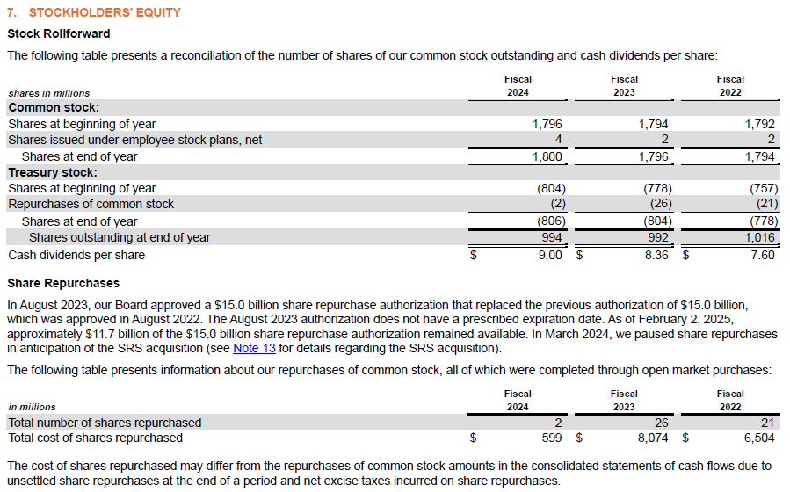
Shares Issued
Beginning balance | 1,782.00 | 1,786.00 | 1,789.00 | 1,792.00 | 1,794.00 | 1,796.00 | 1,800.00 | 1,802.40 | 1,805.15 | 1,807.90 | 1,810.65
New stock issuance |  |  |  |  |  |  | 0.00 | 0.00 | 0.00 | 0.00 | 0.00
Issued to employees | 4.000 | 3.000 | 3.000 | 2.000 | 2.000 | 4.000 | 2.400 | 2.750 | 2.750 | 2.750 | 2.750
Ending balance | 1,786.00 | 1,789.00 | 1,792.00 | 1,794.00 | 1,796.00 | 1,800.00 | 1,802.40 | 1,805.15 | 1,807.90 | 1,810.65 | 1,813.40

Treasury Shares
Beginning balance | (677.00) | (709.00) | (712.00) | (757.00) | (778.00) | (804.00) | (806.00) | (821.17) | (836.34) | (851.50) | (866.67)
Repurchases | (32.00) | (3.00) | (45.00) | (21.00) | (26.00) | (2.00) | (15.17) | (15.17) | (15.17) | (15.17) | (15.17)
Ending balance | (709.00) | (712.00) | (757.00) | (778.00) | (804.00) | (806.00) | (821.17) | (836.34) | (851.50) | (866.67) | (881.84)

Net shares outstanding | 1,077.00 | 1,077.00 | 1,035.00 | 1,016.00 | 992.00 | 994.00 | 981.23 | 968.81 | 956.40 | 943.98 | 931.56

Stock price |  |  | 366.54 | 316.69 | 355.30 | 408.76 | 408.76 | 408.76 | 408.76 | 408.76 | 408.76

Dividends Declared
Dividends paid |  | (6,451) | (6,985) | (7,789) | (8,383) | (8,929) | (7,525) | (7,428) | (7,334) | (7,240) | (7,146)

Dividends per share |  | 5.99 | 6.75 | 7.67 | 8.45 | 8.98 | 7.57 | 7.57 | 7.57 | 7.57 | 7.57

Cash Requirements / Cash to Invest

All changes to cash except for new debt, share repurchases and investments
Cash from Operations |  |  |  |  |  |  | 23,538 | 22,516 | 24,452 | 26,336 | 28,187
Cash For PP&E and Acquisitions |  |  |  |  |  |  | (3,593) | (3,866) | (4,160) | (4,477) | (4,819)
Cash from stock options & other financing |  |  |  |  |  |  | 268 | 289 | 312 | 337 | 364
Cash Paid for Dividends |  |  |  |  |  |  | (7,525) | (7,428) | (7,334) | (7,240) | (7,146)
Minimum Debt Payments |  |  |  |  |  |  | (4,582) | (4,845) | (3,769) | (2,727) | (3,946)
Net Cash Inflow / Outflow |  |  |  |  |  |  | 8,106 | 6,666 | 9,502 | 12,230 | 12,640
Cash at Beginning of Year |  |  |  |  |  |  | 1,659 | 2,600 | 2,600 | 2,600 | 2,600
Total Cash on Hand |  |  |  |  |  |  | 9,765 | 9,266 | 12,102 | 14,830 | 15,240

Minimum Cash Balance |  |  |  |  |  |  | 2,600 | 2,600 | 2,600 | 2,600 | 2,600
average over past few years

Financing Needed
Total needed |  |  |  |  |  |  | 0 | 0 | 0 | 0 | 0
Desired Debt Ratio |  |  |  |  |  |  | 1.00 | 1.00 | 1.00 | 1.00 | 1.00
Financed by Debt |  |  |  |  |  |  | 0 | 0 | 0 | 0 | 0
Financed by Equity |  |  |  |  |  |  | 0 | 0 | 0 | 0 | 0

Excess Cash
Total excess |  |  |  |  |  |  | 7,165 | 6,666 | 9,502 | 12,230 | 12,640
Repurchase Stock |  |  |  |  |  |  | 6,200 | 6,200 | 6,200 | 6,200 | 6,200
Pay Down Debt
Purchase Investments |  |  |  |  |  |  | 965 | 466 | 3,302 | 6,030 | 6,440

Short-term Investments
Beginning |  |  |  |  |  |  | 0 | 965 | 1,432 | 4,733 | 10,763
Additions |  |  |  |  |  |  | 965 | 466 | 3,302 | 6,030 | 6,440
Sell-off
Ending | 0 | 0 | 0 | 0 | 0 | 0 | 965 | 1,432 | 4,733 | 10,763 | 17,203

Interest and investment income | 73 | 47 | 44 | 55 | 178 | 201 | 0 | 68 | 100 | 331 | 753

% Investments |  |  |  |  |  |  | 7.0% | 7.0% | 7.0% | 7.0% | 7.0%

